Sheet1
Comprehensive deed of lease | IMAGE | REMARKS
 | 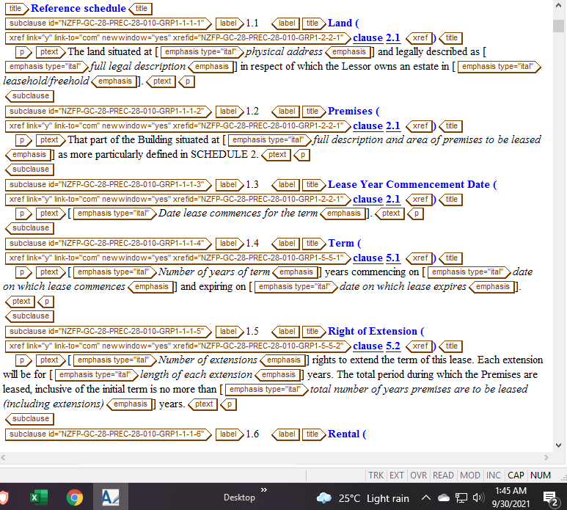 | Omit xref from title scan all
 |  | provide xref for schedule 2
 |  | omit emphasis
 |  | this must be term tag
 |  | check seperator from ID's
 |  | provide xref for this clause
 | 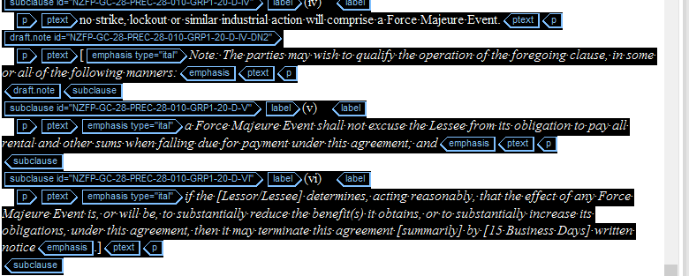 | please check (28.09) for your reference
 |  | check ID for this xref
 |  | omit page break

